Sheet1
 |  | total | drive alone | public transit | bicycle | walk | carpool
 |  | 100.00% | 40.00% | 33.00% | 7.00% | 14.00% | 6.00%
all ages | 100.00% | 43,000 | 17,200 | 14,190 | 3,010 | 6,020 | 2,580 |  | 33,970
0-24 | 16.00% | 6880 | 2752 | 2270 | 482 | 963 | 413 | 6880
25-34 | 31.00% | 13330 | 5332 | 4399 | 933 | 1866 | 800 | 13330
35-45 | 21.00% | 9030 | 3612 | 2980 | 632 | 1264 | 542 | 9030
45+ | 32.00% | 13760 | 5504 | 4541 | 963 | 1926 | 826 | 13760
 |  |  | 17200 | 14190 | 3010 | 6020 | 2580
 | Average Carbon |  | 237.50 | 35.00 | 0.00 | 0.00 | 79.17
 | Total Carbon |  | 4085000 | $496,650.00 | 0 | 0 | 204250 |  | Total Carbon | 4785900
 |  | logic for carbon estimate: | average of large car, medium car | light rail | no carbon | no carbon | car average divided by 3 |  | Divided by people: | 140.8860759
 |  | total | drive alone | public transit | bicycle | walk | carpool
 |  |  | 85.35% | 10.38% | 0.00% | 0.00% | 4.27%
all ages | 100.00% | 43,000 | 36,703 | 4,462 | 0 | 0 | 1,835
0-24 | 16.00% | 6880 | 5872 | 714 | 0 | 0 | 294 | 6880
25-34 | 31.00% | 13330 | 11378 | 1383 | 0 | 0 | 569 | 13330
35-45 | 21.00% | 9030 | 7708 | 937 | 0 | 0 | 385 | 9030
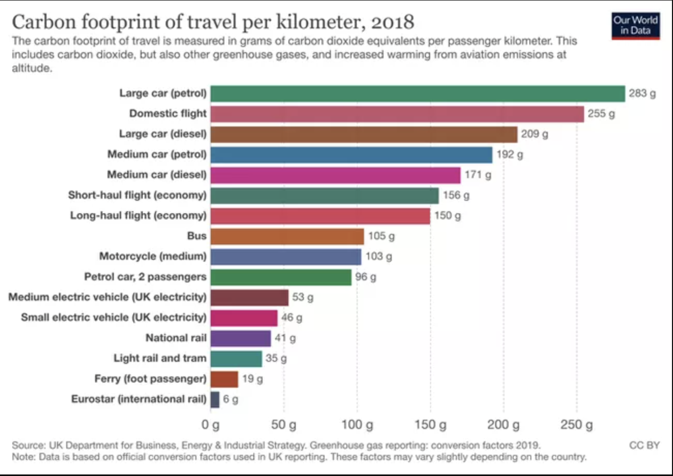
45+ | 32.00% | 13760 | 11745 | 1428 | 0 | 0 | 587 | 13760
 |  |  | 36703 | 4462 | 0 | 0 | 1835

 |  | commuters 25-45 actual drivers: | 8944 | if we increase density in kendall it reduces available parking, increasing percentage of public transit, lets say that adds 20% impact?
 |  | commuters 25-45 weighted equivalent drivers: | 19085 | Focusing incentives on drivers by appealing to high income and to families both correlated with driving vs public transit?

 |  |  |  |  | https://www.treehugger.com/what-is-the-carbon-footprint-of-transportation-5081940

